Sheet1
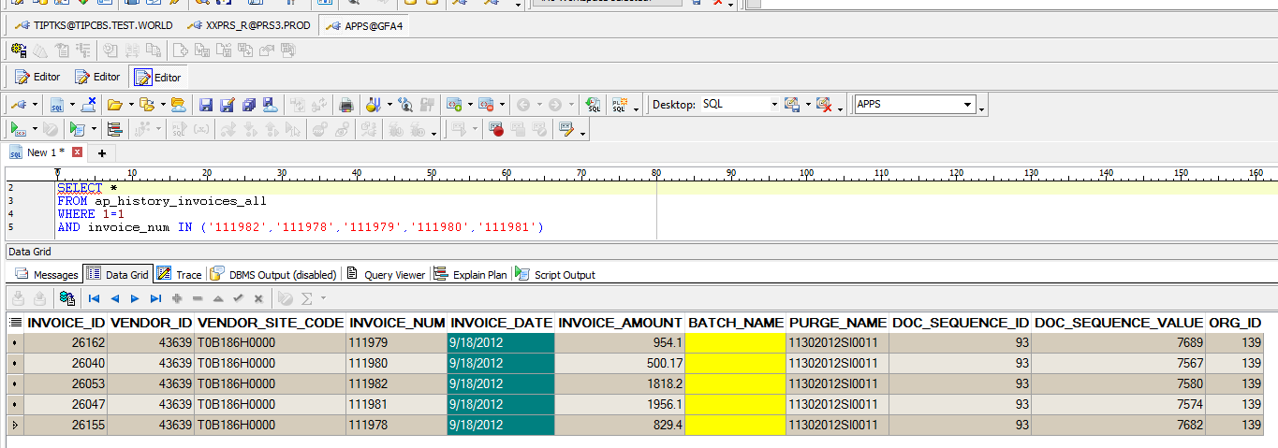
SELECT *
FROM XX00IFAP_INVOICE_HDR_STG_ALL
WHERE 1=1
--AND process_status = 'ERROR CHECK FAIL'
AND invoice_num IN ('111982','111978','111979','111980','111981')

INVOICE_ID | INVOICE_NUM | INVOICE_TYPE_LOOKUP_CODE | INVOICE_DATE | SOURCE | DESCRIPTION | INVOICE_AMOUNT | CALC_TAX_DURING_IMPORT_FLAG | PREPAY_NUM | SEGMENT1 | SEGMENT2 | SEGMENT3 | SEGMENT4 | SEGMENT5 | SEGMENT6 | SEGMENT7 | SEGMENT8 | SEGMENT9 | SEGMENT10 | SEGMENT11 | ACCTS_PAY_CODE_COMBINATION_ID | ATTRIBUTE1 | ATTRIBUTE2 | ATTRIBUTE3 | ATTRIBUTE4 | ATTRIBUTE5 | ATTRIBUTE6 | ATTRIBUTE7 | ATTRIBUTE8 | ATTRIBUTE9 | ATTRIBUTE10 | ATTRIBUTE11 | ATTRIBUTE12 | ATTRIBUTE13 | ATTRIBUTE14 | ATTRIBUTE15 | INVOICE_CURRENCY_CODE | EXCHANGE_DATE | EXCHANGE_RATE_TYPE | EXCHANGE_RATE | PAY_GROUP_LOOKUP_CODE | VENDOR_NUM | VENDOR_SITE_CODE | EXTERNAL_BANK_ACCOUNT_CATEGORY | TERMS_NAME | TERMS_DATE | BANK_CHARGE_BEARER | REMITTANCE_MESSAGE1 | REMITTANCE_MESSAGE2 | REMITTANCE_MESSAGE3 | GL_DATE | HOLD_CODE | PROCESS_STATUS | ERROR_FLAG | ERROR_MESSAGE | LEGAL_ENTITY_ID | CREATED_BY | CREATION_DATE | LAST_UPDATED_BY | LAST_UPDATE_DATE | LAST_UPDATE_LOGIN | REQUEST_ID | PROGRAM_APPLICATION_ID | PROGRAM_ID | PROGRAM_UPDATE_DATE | ORG_ID
3585084 | 111982 | STANDARD | 2019-05-10 | Manual Invoice Entry | DR-343360 | 8683.16 |  |  | T090593 | A99 | L10 | 0 | 20601110 | 2259 | 0 | PHL | 0 | 0 | 0 | 2025 |  |  |  |  |  |  |  |  |  |  |  |  |  |  |  | PHP | 2019-06-07 | 1000 | 0.019149017655 |  | T0B186H | T0B186H0000 |  | EM2MEN | 2019-05-10 |  |  |  |  | 2019-06-07 |  | ERROR CHECK FAIL | Y | *****1-1XXGFAAU_CHK_B30_00006invoice_number is exist (ap_history_invoices_all).Source AFF: T090593.A99.L10.0000000.20601110.2259.00000.PHL.0000000.000000.0000 | 23285 | 13397 | 6/7/19 | 13397 | 6/7/19 | 32601059 | 31842718 | 20009 | 64379 | 6/7/19 | 101
3585067 | 111978 | STANDARD | 2019-05-10 | Manual Invoice Entry | DR-343149 | 11298.88 |  |  | T090593 | A99 | L10 | 0 | 20601110 | 2259 | 0 | PHL | 0 | 0 | 0 | 2025 |  |  |  |  |  |  |  |  |  |  |  |  |  |  |  | PHP | 2019-06-07 | 1000 | 0.019149017655 |  | T0B186H | T0B186H0000 |  | EM2MEN | 2019-05-10 |  |  |  |  | 2019-06-07 |  | ERROR CHECK FAIL | Y | *****1-1XXGFAAU_CHK_B30_00006invoice_number is exist (ap_history_invoices_all).Source AFF: T090593.A99.L10.0000000.20601110.2259.00000.PHL.0000000.000000.0000 | 23285 | 13397 | 6/7/19 | 13397 | 6/7/19 | 32601059 | 31842718 | 20009 | 64379 | 6/7/19 | 101
3585071 | 111979 | STANDARD | 2019-05-10 | Manual Invoice Entry | DR-343153 | 2472.22 |  |  | T090593 | A99 | L10 | 0 | 20601110 | 2259 | 0 | PHL | 0 | 0 | 0 | 2025 |  |  |  |  |  |  |  |  |  |  |  |  |  |  |  | PHP | 2019-06-07 | 1000 | 0.019149017655 |  | T0B186H | T0B186H0000 |  | EM2MEN | 2019-05-10 |  |  |  |  | 2019-06-07 |  | ERROR CHECK FAIL | Y | *****1-1XXGFAAU_CHK_B30_00006invoice_number is exist (ap_history_invoices_all).Source AFF: T090593.A99.L10.0000000.20601110.2259.00000.PHL.0000000.000000.0000 | 23285 | 13397 | 6/7/19 | 13397 | 6/7/19 | 32601059 | 31842718 | 20009 | 64379 | 6/7/19 | 101
3585074 | 111980 | STANDARD | 2019-05-10 | Manual Invoice Entry | DR-343152 | 3464.93 |  |  | T090593 | A99 | L10 | 0 | 20601110 | 2259 | 0 | PHL | 0 | 0 | 0 | 2025 |  |  |  |  |  |  |  |  |  |  |  |  |  |  |  | PHP | 2019-06-07 | 1000 | 0.019149017655 |  | T0B186H | T0B186H0000 |  | EM2MEN | 2019-05-10 |  |  |  |  | 2019-06-07 |  | ERROR CHECK FAIL | Y | *****1-1XXGFAAU_CHK_B30_00006invoice_number is exist (ap_history_invoices_all).Source AFF: T090593.A99.L10.0000000.20601110.2259.00000.PHL.0000000.000000.0000 | 23285 | 13397 | 6/7/19 | 13397 | 6/7/19 | 32601059 | 31842718 | 20009 | 64379 | 6/7/19 | 101
3585078 | 111981 | STANDARD | 2019-05-10 | Manual Invoice Entry | DR-343356 | 4787 |  |  | T090593 | A99 | L10 | 0 | 20601110 | 2259 | 0 | PHL | 0 | 0 | 0 | 2025 |  |  |  |  |  |  |  |  |  |  |  |  |  |  |  | PHP | 2019-06-07 | 1000 | 0.019149017655 |  | T0B186H | T0B186H0000 |  | EM2MEN | 2019-05-10 |  |  |  |  | 2019-06-07 |  | ERROR CHECK FAIL | Y | *****1-1XXGFAAU_CHK_B30_00006invoice_number is exist (ap_history_invoices_all).Source AFF: T090593.A99.L10.0000000.20601110.2259.00000.PHL.0000000.000000.0000 | 23285 | 13397 | 6/7/19 | 13397 | 6/7/19 | 32601059 | 31842718 | 20009 | 64379 | 6/7/19 | 101

EXISTING IN GAIA

